1. Title Page
Annual Analysis

Project Name : Instacart Data Analysis
Date : 19.01.2025
Analyst Name : Monami Haldar

Contents:
Population Flow
Consistency checks
Wrangling steps
Column derivations
Visualizations
Recommendations

“The Instacart Online Grocery Shopping Dataset 2017”, Accessed from www.instacart.com/datasets/grocery-shopping-2017 via Kaggle on 19/1/2025.
The customer data explored, as well as the “prices” column in the products data set, were both fabricated for the purpose of this course.

2. Population Flow
Title page

Population flow

Exclusion flag
Condition: max_order < 5
Obervations to be removed: 2884
Final total count of order_products_all: 32401975

Orders_products_combined
Orders_products_merged
Orders_products_all

Total: 32404859
Total: 32434489
Total : 32404859

1.) The grey boxes in the first row of the population flow represent the original data sets as they were when you downloaded them. In the Total fields you need to add the count of the rows when you imported the data set into Jupyter.
2.) The second row of boxes (coloured) represents the data sets after you manipulated them, e.g., removed missing values and duplicates. In the Total fields you need to add the count of the rows after conducting these operations. This offers a visual oveview of how the data flows throughout the data consistency checks.
3.) The third row, where also the arrows are coloured, represents the merges you performed between the datasets. In the Total fields you need to add the count of the rows in the merged datasets, so that you end up with the final dataset (in the red box). Keep in mind the final dataset should be without exclusions (based on the exclusion flag).

3. Consistency checks
 |  |  |  | Title page
Consistency checks

Dataset | Missing values | Missing values treatment | Duplicates
orders | days_since_prior_order : 206209 | NaN values are okay since it represents first-time orders. Created a new column, such as "new_customer", where True indicates a new customer (NaN in days_since_prior_order) and False otherwise. This way, the missing values are flagged and retain their importance without altering the original data. | No duplicates found
products | product_name : 16 | Created another dataframe where I did not include the missing values (NaN)
orders_products_prior | None | None | No duplicates found
customers | None | None | No duplicates found
orders_products_customers | prices over $100 have been marked as missing | changed to ' NaN'

4. Wrangling steps
 |  |  |  | Title page
Wrangling steps

Columns dropped | Columns renamed | Columns' type changed | Comment/Reason
 |  | df_ords1['order_id'] = df_ords1['order_id'].astype('str') | data type changed : integer to string

 | df_ords_rn = df_ords1.rename(columns={'order_dow': 'order_day_of_week'}) |  | better clarity

ords_prods_merge.drop(columns=['_merge']) |  |  | not needed

 | First Name to 'first_name' |  | maintain the naming convention
 | Surnam to 'last_name' |  | maintain the naming convention
 | Gender to 'gender' |  | maintain the naming convention
 | STATE to 'state' |  | maintain the naming convention
 | Age to 'age' |  | maintain the naming convention
 | n_dependants to 'number_of_dependents' |  | maintain the naming convention
 | fam_status to 'family_status' |  | maintain the naming convention

5. Column derivations
 |  |  |  | Title page

Column derivations and aggregations

Dataset | New column | Column/s it was derived from | Conditions
orders | new_customer | days_since_prior_order | df_ords_modified['new_customer'] = df_ords_modified['days_since_prior_order'].isnull()

ords_prods_merge | busiest_day | order_day_of_week | if value == 0: # Assuming 0 represents Saturday as the busiest day result.append("Busiest day") elif value == 4: # Assuming 4 represents Wednesday as the least busy day result.append("Least busy") else: result.append("Regularly busy")

ords_prods_merge | day_category | order_day_of_week | if value == 0 or value == 1: # Busiest days day_category.append("busiest_days") elif value == 3 or value == 4: # Slowest days day_category.append("slowest_days") else: # Normal days (2, 5, 6) day_category.append("normal_days")

ords_prods_merge | price_label | prices | [df_opm_copy['prices'] > 15, 'price_label'] = 'High-range product'
 |  |  | df_opm_copy.loc[(df_opm_copy['prices'] <= 15) & (df_opm_copy['prices'] > 5), 'price_label'] = 'Mid-range product'
 |  |  | df_opm_copy.loc[df_opm_copy['prices'] <= 5, 'price_label'] = 'Low-range product'

ords_prods_merge | busiest_period_of_day | order_hour_of_day | if row in range(9, 16): # Assuming hours 9-16 are busiest
 |  |  | busiest_period_of_day.append("Most orders")
 |  |  | elif row in range(0, 6): # Assuming hours 0-6 are the fewest
 |  |  | busiest_period_of_day.append("Fewest orders")
 |  |  | else:
 |  |  | busiest_period_of_day.append("Average orders")

ords_prods_merge | max_order | the maximum 'order_number' for each 'user_id' | ords_prods_merge_copy.groupby(['user_id'])['order_number'].transform('max')

 |  |  | ords_prods_merge_copy.loc[ords_prods_merge_copy['max_order'] > 40, 'loyalty_flag'] = 'Loyal customer'
ords_prods_merge | loyalty_flag | max_order | ords_prods_merge_copy.loc[(ords_prods_merge_copy['max_order'] <= 40) & (ords_prods_merge_copy['max_order'] > 10), 'loyalty_flag'] = 'Regular customer'
 |  |  | ords_prods_merge_copy.loc[ords_prods_merge_copy['max_order'] <= 10, 'loyalty_flag'] = 'New customer'

ords_prods_merge | spending_flag | ('user_id')['prices'] | ords_prods_merge_copy['spending_flag'] = ords_prods_merge_copy.groupby('user_id')['prices'].transform('mean').apply( lambda x: 'Low spender' if x < 10 else 'High spender')

ords_prods_merge | order_frequency_flag | ('user_id')['days_since_prior_order'] | ords_prods_merge_copy['order_frequency_flag'] = ords_prods_merge_copy.groupby('user_id')['days_since_prior_order'].transform('median').apply(lambda x: 'Non-frequent customer' if x > 20 else 'Regular customer' if 10 < x <= 20 else 'Frequent customer')

orders_products_customers | region | state | State defined into regions according to this List of regions of the United States

orders_products_customers | exclusion_flag | user_id'['order_id'] | df.groupby('user_id')['order_id'].transform('count').apply(lambda x: 'Exclude' if x < 5 else 'Include')

orders_products_customers | customer_profile | age and number of dependents | ['age'] < 30 and ['number_of_dependents'] == 0 : return 'Single adult' elif ['age'] < 40 and ['number_of_dependents'] > 0: return 'Young parent' elif 40 <= ['age'] < 65: return 'Middle-aged' elif ['age'] >= 65: return 'Old and retired' else: return 'Other'

orders_products_customers | income_category | income | df_copy['income'].apply(lambda x: 'Low Earner' if x < 45000 else 'Middle Earner' if x <= 65000 else 'High Earner')

busiest_day
Regularly busy 22416875
Busiest day 6204182
Least busy 3783802
Name: count, dtype: int64

price_label
Mid-range product 21860860
Low-range product 10126321
High-range product 417678
Name: count, dtype: int64

loyalty_flag (unique user_id)
Loyal customer 17017
New customer 112328
Regular customer 76864
Name: user_id, dtype: int64

Unique User Count by Spending Flag:
spending_flag
High spender 5357
Low spender 200852
Name: user_id, dtype: int64

Unique User Count by Exclusion Flag:
exclusion_flag
Include 32401975
Exclude 2884
Name: count, dtype: int64

income_category
High Earner 24882314
Middle Earner 4825672
Low Earner 2693989
Name: count, dtype: int64

customer_age_depn
Middle-aged 12664485
Old and retired 8574323
Young parent 8381605
Single adult 1513072
Other 1268490
Name: count, dtype: int64

day_category
normal_days 12916111
busiest_days 11864412
slowest_days 7624336
Name: count, dtype: int64

busiest_period_of_day
Most orders 18582869
Average orders 13225662
Fewest orders 596328
Name: count, dtype: int64

Unique User Count by
order_frequency_flag
Frequent customer 86597
Non-frequent customer 59619
Regular customer 59993
Name: user_id, dtype: int64

new_customer
False 3214874
True 206209
Name: count, dtype: int64

max_order
99 1171333
8 811843
6 811396
9 810213
7 803979
...
97 44949
98 44587
96 40453
2 6
1 5
Name: count, Length: 99, dtype: int64

6. Visualizations
 |  |  |  |  |  | Title page

Visualisations

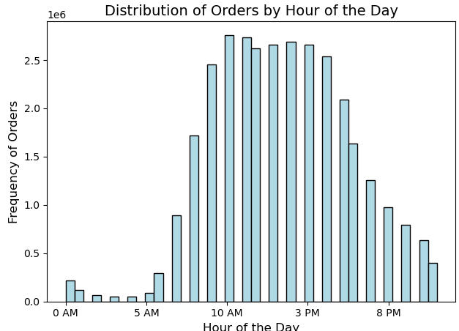
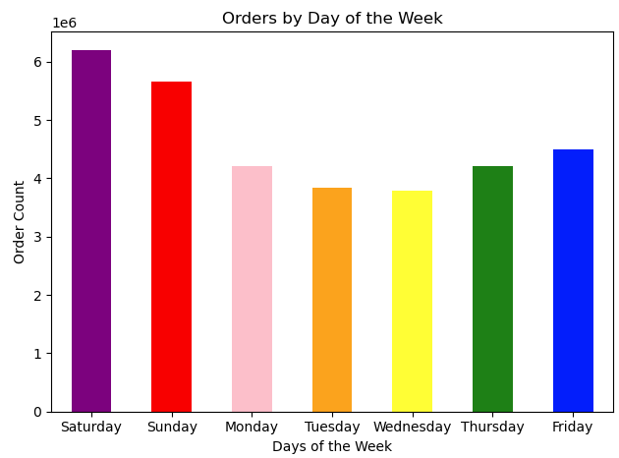
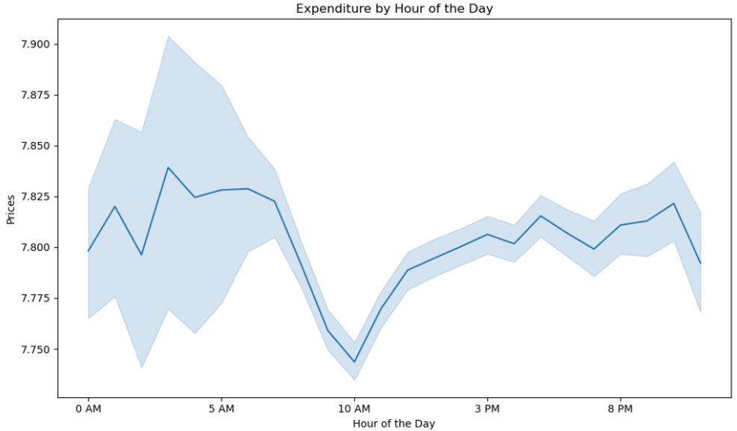
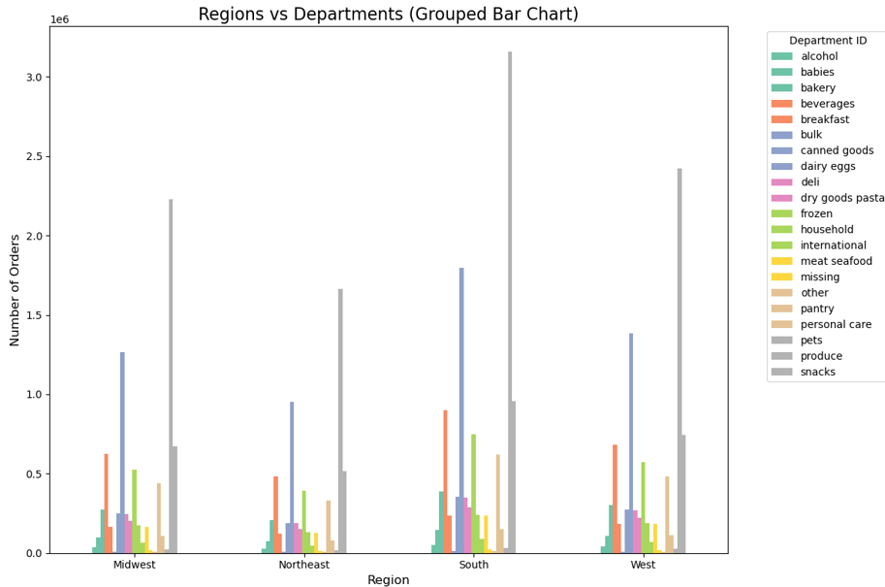

10 am is the busiest hour of the day. |  | Saturday and Sunday are the busiest days of the week.
 |  |  |  |  | At 10 am the prices are the lowest.

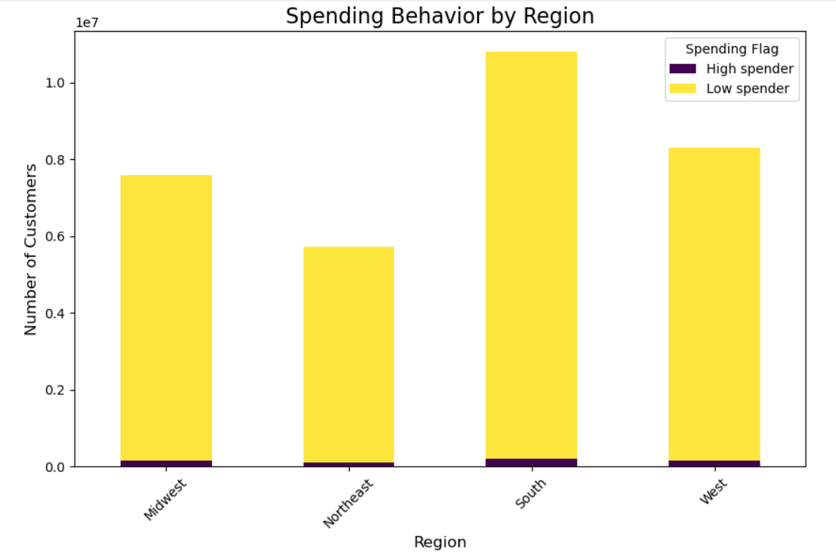
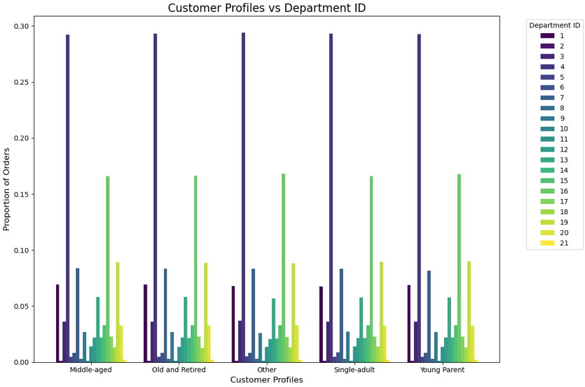
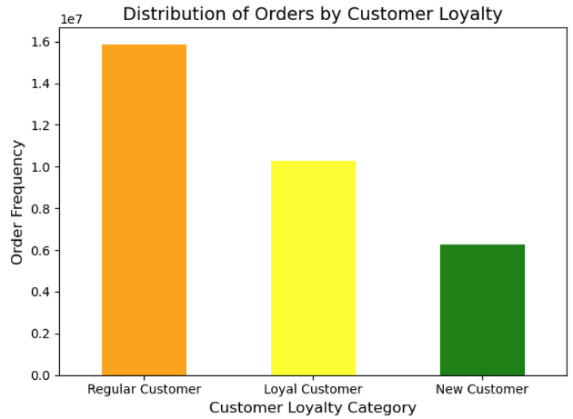

 |  |  |  |  |  |  | In the southern region there are more customers with a lower spending capacity.
 |  |  | Instacart has more regular customers than loyal customers.

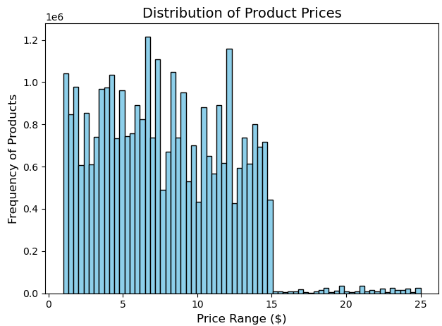
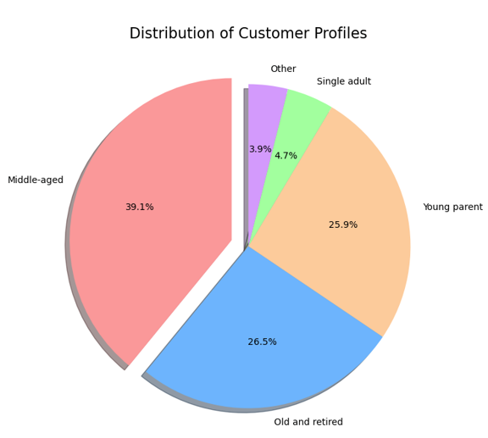
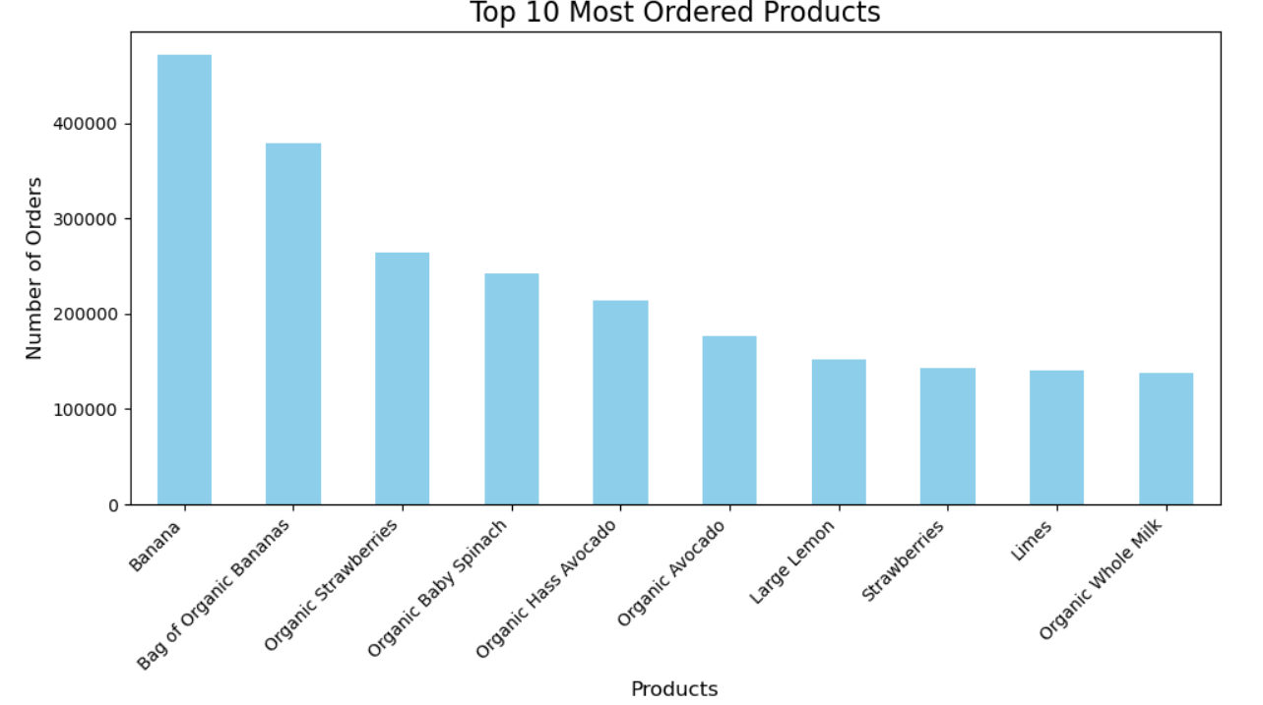

 |  |  |  |  |  |  |  | Customers like to order organic products from Instacart.

Instacart has maximum customers who are middle aged and have dependents.

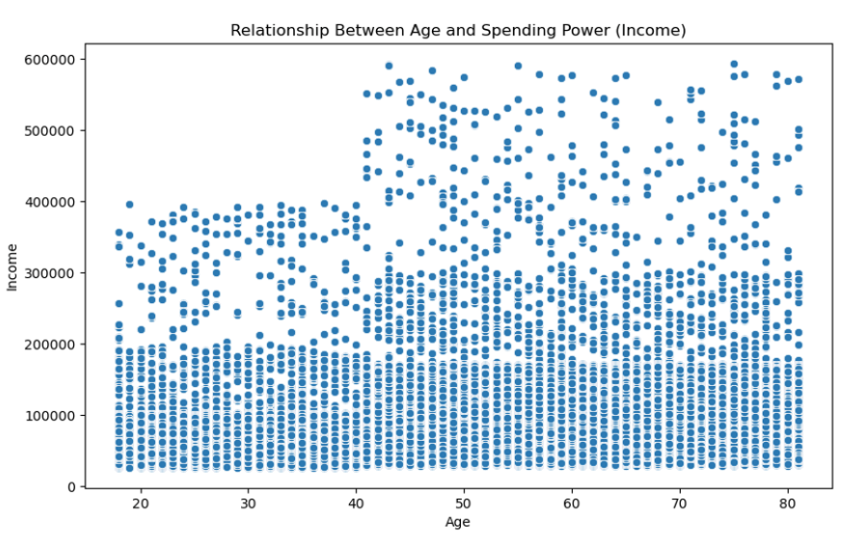
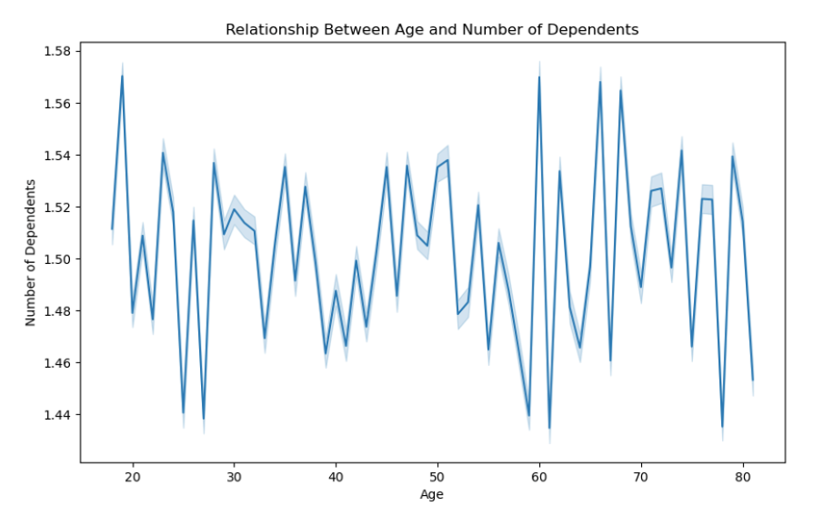

 | This inconsistent linear trend highlights the complexity of family dynamics across age groups. |  |  | The scatter plot reveals that most individuals / customers have low income, fewer have moderate income and only a small group achieves high income.

7. Recommendations
 |  | Title page

Recommendations

The most important questions are: | Recommendations :

1. What are the busiest days of the week and hours of the day (i.e., the days and times with the most orders)?

 | Focus marketing campaigns and promotional offers during peak days and hours to maximize sales.

2. Are there particular times of the day when people spend the most money, and how might this inform the type of products to advertise at these times? | Advertise high-margin or luxury products during times of higher spending.

3. Which departments have the highest frequency of product orders?
 | Stock these departments efficiently and promote complementary products for cross-selling opportunities.

4. How are users distributed across various products from different departments? | Tailor department-specific promotions and curate personalized product recommendations for users.

5. Are there differences in ordering habits based on a customer’s loyalty status? | Offer loyalty rewards and exclusive deals to loyal customers while creating incentives for new or regular customers to increase engagement.

6. Are there differences in ordering habits based on a customer’s region? | Adjust inventory and marketing strategies regionally to meet local demand and reduce logistics costs.

7. What differences can be found in the ordering habits of different customer profiles in terms of: | Offer budget-friendly products for cost-conscious customers and premium options for high-spending profiles.
a. Price of orders
b. Frequency of products ordered and types of products ordered

8. What is the relationship between age of customers and the number of dependents, and how does age influence spending power? | Design targeted marketing strategies for age groups with higher dependents, focusing on family-oriented products and services.

